Cover
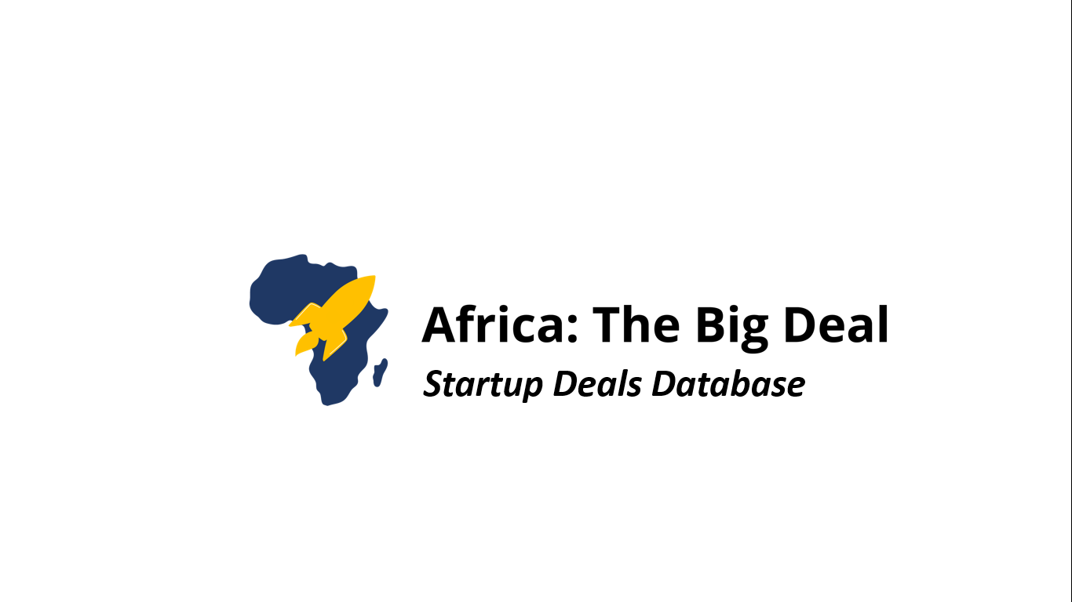

Thank you for subscribing to this database. Hope you'll find it useful!
NOV
2021
Methodology notes: - For this database, only startups operating in Africa with their HQ in Africa or with their HQ outside Africa but with founders from Africa, have been captured. - This database captures publicly disclosed deals or deals openly shared by the investors or the founders themselves - This database captures deals of $100K+ only and that took place in 2022 or 2021, as well as: deals of $500K+ for 2020 and deals of $1M+ for 2019 As long as you are subscribed to this monthly update, you will be receiving the updated database to your email on a monthly basis.

MARCH 2022

For any comment, feedback, question, please reach out to: maxime@africathebigdeal.com
maxime@africathebigdeal.com

